DDB (Alcohol)
DATE | INV NO. | DESCRIPTIONS | AMOUNT | BILLS | PRICE | TOTAL
21-Feb-2026 | 43723 | GORDON GIN PREMIUM DRY 750 ML | 2 | 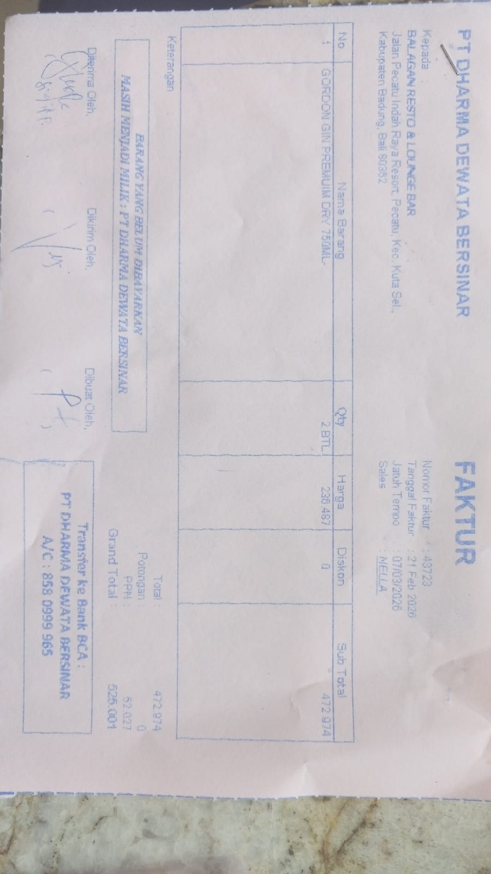 | IDR 236,487 | IDR 472,974
SUB TOTAL |  |  |  |  | PPN | IDR 52,027
TOTAL |  |  |  | Rp525,001
 |  |  |  |  |  | IDR -
SUB TOTAL |  |  |  |  | PPN | Rp-
TOTAL |  |  |  | Rp-

TOTAL

TOTAL
GRAND TOTAL |  |  |  | IDR 525,001

